Instructions
Instructions

Step 1
Begin by entering the player names in Column A (of the Matchups tab).

The spreadsheet will automatically populate the information in Row 1.

Step 2
Determine your Round 1 matchups and mark an X in the appropriate cells to remind you which players have already played each other.

In our example, Able plays Baker, Charlie plays Dog, Easy plays How, George plays Item, Juliet plays King and Love plays Mike

Step 3
Enter the scores as the players finish their games.
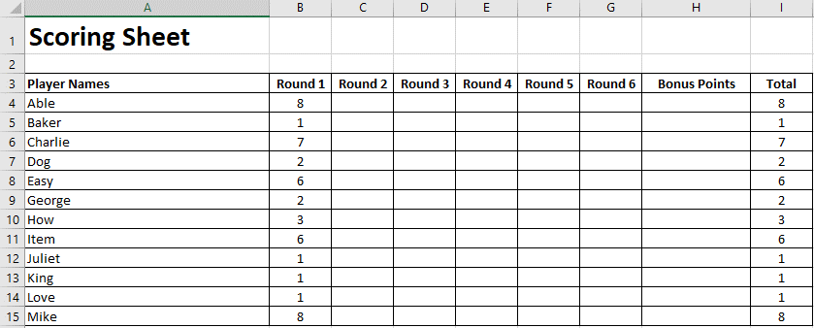

In our example, Able easily beat Baker, Charlie won over Dog, Easy had a close win over How, George lost to Item, Juliet and King timed out and both lost, whilst Love was beaten by Mike.

Step 4
Organised your draw for Round 2…

Step 5
Once you have played through all the rounds of the event you can add any bonus points and find out your overall winner.

